Sheet2
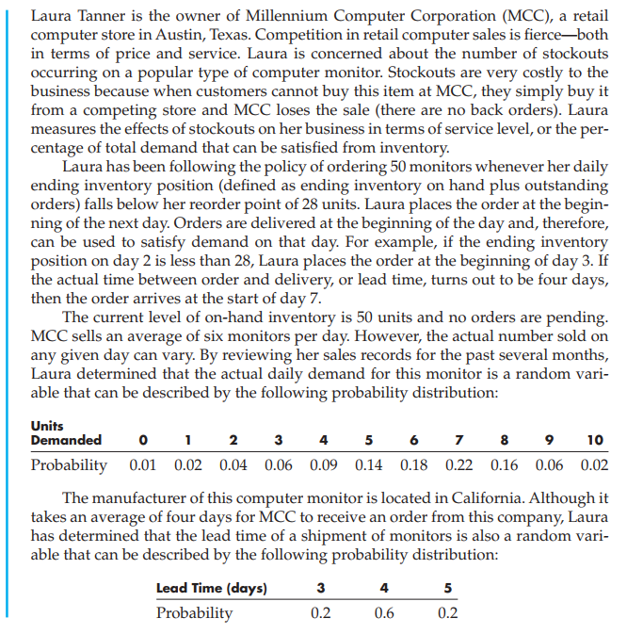

Day | Beginning Inventory | Units Received | Demand | Demand Satisfied | Ending Inventory | Inventory Position | order 0=N, 1=Y | Lead Time | Arrival Day
1 | 50 | 0 | 7 | 7 | 43 | 43 | 0 | 5 | 0
2 | 43 | 0 | 6 | 6 | 37 | 37 | 0 | 5 | 0 | order size | 50
3 | 37 | 0 | 5 | 5 | 32 | 32 | 0 | 5 | 0 | order point | 28
4 | 32 | 0 | 5 | 5 | 27 | 27 | 1 | 3 | 8
5 | 27 | 0 | 2 | 2 | 25 | 75 | 0 | 5 | 0
6 | 25 | 0 | 2 | 2 | 23 | 73 | 0 | 3 | 0
7 | 23 | 0 | 0 | 0 | 23 | 73 | 0 | 5 | 0
8 | 23 | 50 | 2 | 2 | 71 | 71 | 0 | 4 | 0 | Performance measure
9 | 71 | 0 | 3 | 3 | 68 | 68 | 0 | 5 | 0 | Service level | 100%
10 | 68 | 0 | 9 | 9 | 59 | 59 | 0 | 5 | 0 | average inventory | 36.3
11 | 59 | 0 | 10 | 10 | 49 | 49 | 0 | 4 | 0
12 | 49 | 0 | 0 | 0 | 49 | 49 | 0 | 3 | 0
13 | 49 | 0 | 10 | 10 | 39 | 39 | 0 | 5 | 0
14 | 39 | 0 | 4 | 4 | 35 | 35 | 0 | 5 | 0
15 | 35 | 0 | 1 | 1 | 34 | 34 | 0 | 3 | 0
16 | 34 | 0 | 8 | 8 | 26 | 26 | 1 | 5 | 20
17 | 26 | 0 | 0 | 0 | 26 | 76 | 0 | 4 | 0 | Units Demanded | Prob
18 | 26 | 0 | 5 | 5 | 21 | 71 | 0 | 3 | 0 | 0 | 0.01
19 | 21 | 0 | 8 | 8 | 13 | 63 | 0 | 5 | 0 | 1 | 0.02
20 | 13 | 50 | 7 | 7 | 56 | 56 | 0 | 4 | 0 | 2 | 0.04
21 | 56 | 0 | 5 | 5 | 51 | 51 | 0 | 4 | 0 | 3 | 0.06
22 | 51 | 0 | 10 | 10 | 41 | 41 | 0 | 5 | 0 | 4 | 0.09
23 | 41 | 0 | 4 | 4 | 37 | 37 | 0 | 5 | 0 | 5 | 0.14
24 | 37 | 0 | 2 | 2 | 35 | 35 | 0 | 3 | 0 | 6 | 0.18
25 | 35 | 0 | 10 | 10 | 25 | 25 | 1 | 4 | 29 | 7 | 0.22
26 | 25 | 0 | 10 | 10 | 15 | 65 | 0 | 3 | 0 | 8 | 0.16
27 | 15 | 0 | 0 | 0 | 15 | 65 | 0 | 5 | 0 | 9 | 0.06
28 | 15 | 0 | 6 | 6 | 9 | 59 | 0 | 3 | 0 | 10 | 0.02
29 | 9 | 50 | 4 | 4 | 55 | 55 | 0 | 5 | 0
30 | 55 | 0 | 8 | 8 | 47 | 47 | 0 | 5 | 0

